Overview
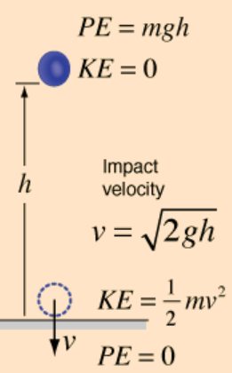
This over view explaines the working of this file and how it feeds information to the online calculator.

Each tab hold all the properties of componets to make up all the calculations required for making a roller shutter to a given spec.

SafetyB
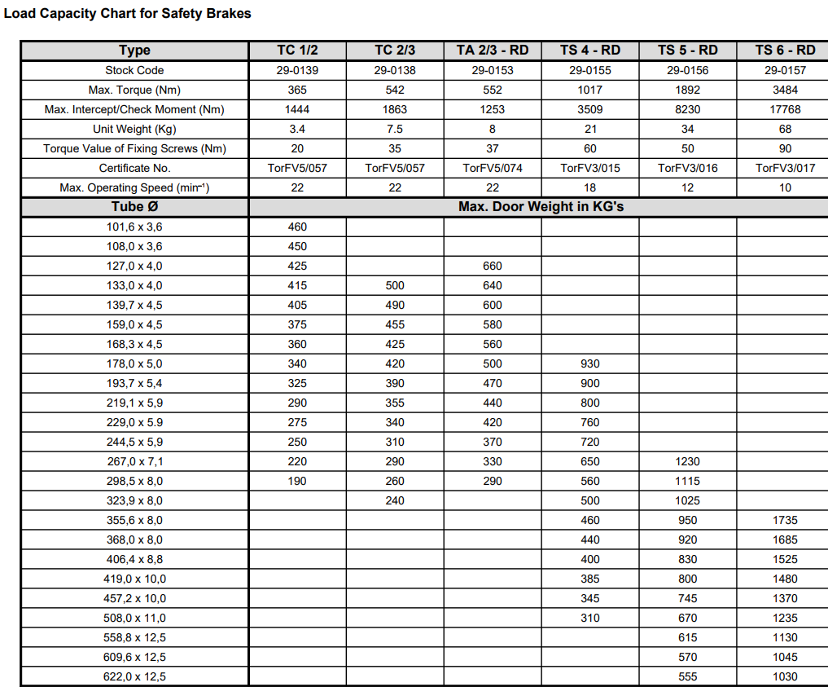
Name | Operating Torque (Nm) | Max Safety Torque (Nm) | Max Locking Speed (RPM) | Manufacture | Door max weight in kgs on 100mm axle | Driveshaft diameter mm | Stop distance | SB image
RD80 | 95 | 545 | 22 | Timmer |  | 18s | 10
RD150 | 147 | 812 | 22 | Timmer |  | 18s | 10
TA 1/2 RD | 332 | 796 | 22 | Timmer | 480 | 30 | 10
TA 2/3 RD | 552 | 1253 | 22 | Timmer |  | 40 | 10
TA3 RD | 599 | 3081 | 20 | Timmer |  | 40 | 10
TA4 RD | 1063 | 4092 | 18 | Timmer |  | 50 | 10
TA5 - RD | 1943 | 10336 | 12 | Timmer |  | 65 | 10
TA6 - RD | 3503 | 14014 | 10 | Timmer |  | 80 | 10
RSB-G | 130 | 276 | 22 | Ellard |  | 18s | 10
GDB 18 | 145 | 365 | 22 | Ellard | 200 | 18s | 10
RSB 1 / 2 (RSB1-30) | 332 | 1444 | 22 | Ellard | 460 | 30 | 10
RSB 2 / 3 (RSB1-40) | 542 | 1863 | 22 | Ellard |  | 40 | 10
RSB 4 (PCM10A) | 1000 | 3560 | 12 | Ellard |  | 50 | 10
TA4 | 1063 | 4092 | 18 | Ellard |  |  | 10
RSB-1-18a | 145 | 365 | 22 | Marantec | 200 | 18s | 10

